task_1
Creating new table:
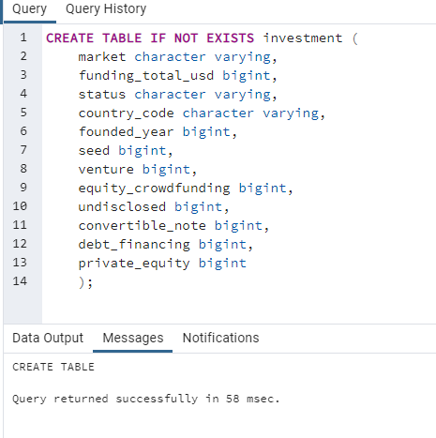

To find the wrong spelling of financial services, I use:
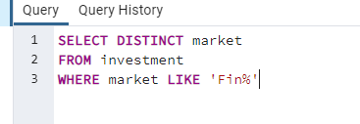

Then I rename the fincial services to financial services using this syntax:

task_2
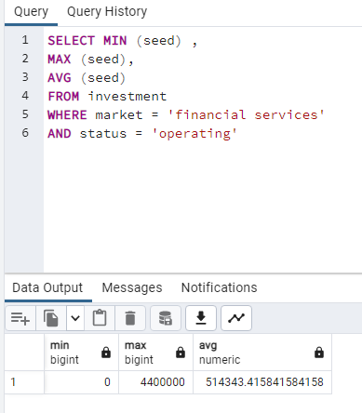
Companies vs Min, Max and Average Seed
 | Min of seed | Max of seed | Average of seed
company 53 | 0 | 0 | 0
company 1 | 0 | 0 | 0
company 55 | 0 | 0 | 0
company 99 | 0 | 0 | 0
company 56 | 0 | 0 | 0
company 100 | 0 | 0 | 0
company 101 | 0 | 0 | 0
company 13 | 0 | 0 | 0
company 52 | 0 | 0 | 0
company 94 | 0 | 0 | 0
company 95 | 0 | 0 | 0
company 18 | 0 | 0 | 0
company 57 | 0 | 0 | 0
company 21 | 0 | 0 | 0
company 59 | 0 | 0 | 0
company 23 | 0 | 0 | 0
company 64 | 0 | 0 | 0
company 25 | 0 | 0 | 0
company 66 | 0 | 0 | 0
company 27 | 0 | 0 | 0
company 67 | 0 | 0 | 0
company 3 | 0 | 0 | 0
company 68 | 0 | 0 | 0
company 32 | 0 | 0 | 0
company 69 | 0 | 0 | 0
company 36 | 0 | 0 | 0
company 7 | 0 | 0 | 0
company 43 | 0 | 0 | 0
company 71 | 0 | 0 | 0
company 46 | 0 | 0 | 0
company 73 | 0 | 0 | 0
company 48 | 0 | 0 | 0
company 75 | 0 | 0 | 0
company 50 | 0 | 0 | 0
company 76 | 0 | 0 | 0
company 20 | 0 | 0 | 0
company 78 | 0 | 0 | 0
company 24 | 0 | 0 | 0
company 8 | 0 | 0 | 0
company 29 | 0 | 0 | 0
company 80 | 0 | 0 | 0
company 33 | 0 | 0 | 0
company 81 | 0 | 0 | 0
company 45 | 0 | 0 | 0
company 82 | 0 | 0 | 0
company 5 | 0 | 0 | 0
company 84 | 0 | 0 | 0
company 26 | 0 | 0 | 0
company 92 | 0 | 0 | 0
company 85 | 0 | 0 | 0
...
As, shown in the chart company 44 has the highest seed in min, max and average
In the pivot table, the seed values are:
Min = 0
Max = 4,400,000
Average = 514343.4158

task_3
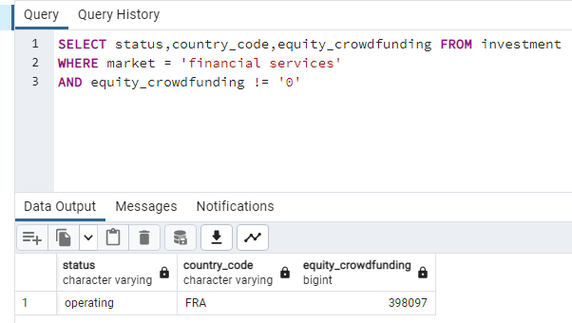
Row Labels | Sum of equity_crowdfunding
operating | 398,097.00
2010 | 398,097.00
FRA | 398,097.00
Company 93 | 398,097.00
Grand Total | 398,097.00

As shown in the pivot table, Company 93 previously received an equity crowd funding on its startup
with the country code of FRA, operating status, year founded on 2010 and an amount of 398,097.00 USD of equity crowdfunding it acquired.

task_4
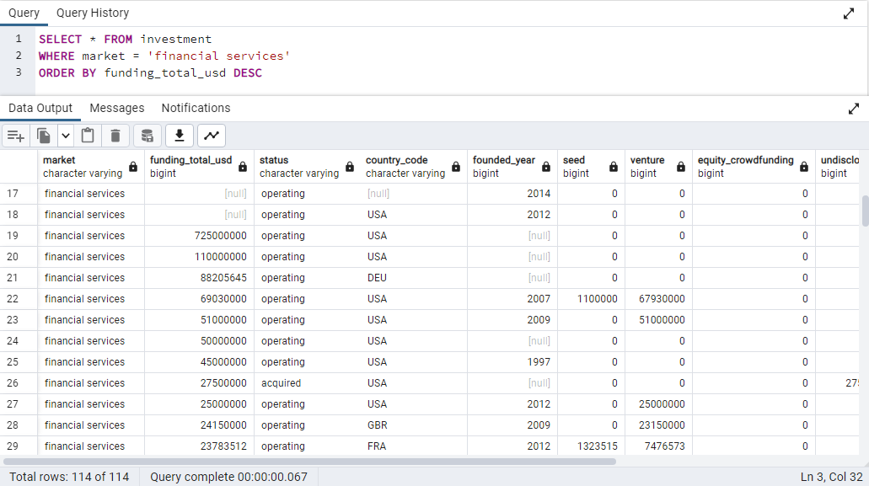

market | funding_total_usd | status | country_code | founded_year | seed | venture | equity_crowdfunding | undisclosed | convertible_note | debt_financing | private_equity
financial services | 725,000,000.00 | operating | USA |  | 0 | 0 | 0 | 0 | 0 | 0 | 0
financial services | 110,000,000.00 | operating | USA |  | 0 | 0 | 0 | 0 | 0 | 0 | 110000000
financial services | 88,205,645.00 | operating | DEU |  | 0 | 0 | 0 | 0 | 0 | 0 | 0
financial services | 69,030,000.00 | operating | USA | 2007 | 1100000 | 67930000 | 0 | 0 | 0 | 0 | 0
financial services | 51,000,000.00 | operating | USA | 2009 | 0 | 51000000 | 0 | 0 | 0 | 0 | 0
financial services | 50,000,000.00 | operating | USA |  | 0 | 0 | 0 | 0 | 0 | 0 | 50000000
financial services | 45,000,000.00 | operating | USA | 1997 | 0 | 0 | 0 | 0 | 0 | 45000000 | 0
financial services | 27,500,000.00 | acquired | USA |  | 0 | 0 | 0 | 27500000 | 0 | 0 | 0
financial services | 25,000,000.00 | operating | USA | 2012 | 0 | 25000000 | 0 | 0 | 0 | 0 | 0
financial services | 24,150,000.00 | operating | GBR | 2009 | 0 | 23150000 | 0 | 0 | 0 | 1000000 | 0
financial services | 23,783,512.00 | operating | FRA | 2012 | 1323515 | 7476573 | 0 | 0 | 0 | 14983424 | 0
financial services | 21,675,000.00 | operating | USA | 1902 | 0 | 3100000 | 0 | 0 | 0 | 0 | 0
financial services | 21,400,000.00 | operating | CAN | 2007 | 400000 | 13000000 | 0 | 0 | 0 | 0 | 0
financial services | 16,500,000.00 | operating | USA | 2010 | 0 | 16500000 | 0 | 0 | 0 | 0 | 0
financial services | 16,300,000.00 | operating | BRA | 2013 | 2000000 | 14300000 | 0 | 0 | 0 | 0 | 0
financial services | 16,135,004.00 | operating | USA | 2008 | 0 | 16135004 | 0 | 0 | 0 | 0 | 0
financial services | 15,000,000.00 |  | RUS | 2011 | 0 | 15000000 | 0 | 0 | 0 | 0 | 0
financial services | 15,000,000.00 | acquired | USA | 2000 | 0 | 15000000 | 0 | 0 | 0 | 0 | 0
financial services | 14,000,000.00 | operating | USA | 2007 | 0 | 7000000 | 0 | 0 | 0 | 0 | 7000000
financial services | 12,100,000.00 | operating | USA |  | 0 | 7900000 | 0 | 4200000 | 0 | 0 | 0
financial services | 11,000,000.00 | operating |  | 2012 | 1000000 | 10000000 | 0 | 0 | 0 | 0 | 0
financial services | 10,000,000.00 |  | USA | 2007 | 0 | 0 | 0 | 0 | 0 | 10000000 | 0
financial services | 10,000,000.00 | operating | CHN | 2006 | 0 | 10000000 | 0 | 0 | 0 | 0 | 0
financial services | 10,000,000.00 | operating | USA | 2003 | 0 | 10000000 | 0 | 0 | 0 | 0 | 0
financial services | 8,199,999.00 | operating | USA |  | 0 | 8199999 | 0 | 0 | 0 | 0 | 0
financial services | 8,000,000.00 | operating | USA |  | 0 | 8000000 | 0 | 0 | 0 | 0 | 0
financial services | 7,540,000.00 | operating |  | 2013 | 3770000 | 3770000 | 0 | 0 | 0 | 0 | 0
financial services | 6,400,000.00 | operating | USA | 2011 | 1400000 | 5000000 | 0 | 0 | 0 | 0 | 0
financial services | 6,200,000.00 | operating | LVA |  | 0 | 6200000 | 0 | 0 | 0 | 0 | 0
financial services | 5,613,564.00 | operating | USA | 2011 | 967750 | 4645814 | 0 | 0 | 0 | 0 | 0
financial services | 5,130,000.00 | operating | USA | 2008 | 0 | 5130000 | 0 | 0 | 0 | 0 | 0
financial services | 5,000,000.00 | operating | USA |  | 0 | 5000000 | 0 | 0 | 0 | 0 | 0
financial services | 5,000,000.00 |  | USA | 2002 | 0 | 0 | 0 | 0 | 0 | 5000000 | 0
financial services | 4,700,000.00 | operating | USA | 2012 | 4000000 | 0 | 0 | 0 | 0 | 0 | 0
financial services | 4,496,166.00 | operating | JPN | 2008 | 1196166 | 3300000 | 0 | 0 | 0 | 0 | 0
financial services | 4,400,000.00 | operating | USA | 2012 | 4400000 | 0 | 0 | 0 | 0 | 0 | 0
financial services | 4,099,999.00 | operating | USA | 2012 | 4099999 | 0 | 0 | 0 | 0 | 0 | 0
financial services | 4,000,000.00 | operating | CHN | 2011 | 0 | 4000000 | 0 | 0 | 0 | 0 | 0
financial services | 4,000,000.00 | operating | ARG | 2000 | 0 | 4000000 | 0 | 0 | 0 | 0 | 0
financial services | 3,500,000.00 | operating |  | 2013 | 3500000 | 0 | 0 | 0 | 0 | 0 | 0
financial services | 3,351,100.00 | operating | GBR | 2014 | 3351100 | 0 | 0 | 0 | 0 | 0 | 0
financial services | 3,161,435.00 | operating | DEU |  | 3161435 | 0 | 0 | 0 | 0 | 0 | 0
financial services | 3,000,000.00 | operating | USA |  | 0 | 0 | 0 | 0 | 0 | 3000000 | 0
financial services | 3,000,000.00 | operating | IND | 2013 | 3000000 | 0 | 0 | 0 | 0 | 0 | 0
financial services | 2,485,000.00 | operating | USA | 2003 | 0 | 0 | 0 | 2485000 | 0 | 0 | 0
financial services | 2,000,000.00 | operating | USA | 2014 | 2000000 | 0 | 0 | 0 | 0 | 0 | 0
financial services | 2,000,000.00 |  | RUS |  | 0 | 2000000 | 0 | 0 | 0 | 0 | 0
financial services | 2,000,000.00 | operating | RUS |  | 0 | 0 | 0 | 2000000 | 0 | 0 | 0
financial services | 2,000,000.00 | operating | USA |  | 0 | 2000000 | 0 | 0 | 0 | 0 | 0
financial services | 1,800,000.00 | operating | USA | 2004 | 0 | 1800000 | 0 | 0 | 0 | 0 | 0
financial services | 1,500,000.00 | operating | USA | 2008 | 1500000 | 0 | 0 | 0 | 0 | 0 | 0
financial services | 1,500,000.00 | operating | USA | 2012 | 0 | 1500000 | 0 | 0 | 0 | 0 | 0
financial services | 1,400,000.00 | operating | USA | 2009 | 0 | 1400000 | 0 | 0 | 0 | 0 | 0
financial services | 1,287,243.00 | acquired | ITA | 2007 | 1287243 | 0 | 0 | 0 | 0 | 0 | 0
financial services | 1,200,000.00 | operating | USA | 2013 | 100000 | 1100000 | 0 | 0 | 0 | 0 | 0
financial services | 1,200,000.00 | operating |  | 2014 | 1200000 | 0 | 0 | 0 | 0 | 0 | 0
financial services | 1,020,352.00 | operating | CHE | 2011 | 1020352 | 0 | 0 | 0 | 0 | 0 | 0
financial services | 1,000,000.00 | operating | POL |  | 0 | 1000000 | 0 | 0 | 0 | 0 | 0
financial services | 1,000,000.00 | operating | IND | 2011 | 0 | 0 | 0 | 0 | 0 | 0 | 0
financial services | 1,000,000.00 | operating | JPN | 2013 | 0 | 0 | 0 | 0 | 0 | 0 | 0
financial services | 1,000,000.00 | operating | CHE |  | 1000000 | 0 | 0 | 0 | 0 | 0 | 0
financial services | 800000 | operating | IND | 2,013.00 | 800000 | 0 | 0 | 0 | 0 | 0 | 0
financial services | 750000 | operating | USA | 2,011.00 | 0 | 750000 | 0 | 0 | 0 | 0 | 0
financial services | 750000 | operating | USA | 2,012.00 | 750000 | 0 | 0 | 0 | 0 | 0 | 0
financial services | 740725 | operating | USA | 2,013.00 | 0 | 740725 | 0 | 0 | 0 | 0 | 0
financial services | 605000 | operating | GBR | 2,012.00 | 0 | 0 | 0 | 0 | 0 | 0 | 0
financial services | 550000 | operating | USA | 2,013.00 | 550000 | 0 | 0 | 0 | 0 | 0 | 0
financial services | 539800 | operating | LTU | 2,012.00 | 539800 | 0 | 0 | 0 | 0 | 0 | 0
financial services | 500000 | operating | RUS |  | 500000 | 0 | 0 | 0 | 0 | 0 | 0
financial services | 475000 | operating | USA | 2,012.00 | 475000 | 0 | 0 | 0 | 0 | 0 | 0
financial services | 450000 | operating | SGP | 2,013.00 | 300000 | 0 | 0 | 0 | 0 | 0 | 150000
financial services | 449999 | operating | USA |  | 0 | 449999 | 0 | 0 | 0 | 0 | 0
financial services | 445958 | operating | RUS | 2,012.00 | 445958 | 0 | 0 | 0 | 0 | 0 | 0
financial services | 434284 | operating | GBR | 2,013.00 | 182941 | 0 | 0 | 0 | 0 | 0 | 0
financial services | 400000 | operating | USA | 2,014.00 | 0 | 0 | 0 | 0 | 0 | 0 | 0
financial services | 398097 | operating | FRA | 2,010.00 | 0 | 0 | 398097 | 0 | 0 | 0 | 0
financial services | 271239 | operating | GBR | 2,012.00 | 271239 | 0 | 0 | 0 | 0 | 0 | 0
financial services | 225000 | operating | USA | 2,012.00 | 225000 | 0 | 0 | 0 | 0 | 0 | 0
financial services | 217500 | operating |  |  | 217500 | 0 | 0 | 0 | 0 | 0 | 0
financial services | 183352 | closed | GBR | 2,005.00 | 183352 | 0 | 0 | 0 | 0 | 0 | 0
financial services | 172801 | operating | DEU | 2,013.00 | 172801 | 0 | 0 | 0 | 0 | 0 | 0
financial services | 150000 | operating | USA | 2,013.00 | 150000 | 0 | 0 | 0 | 0 | 0 | 0
financial services | 150000 | operating | USA | 2,013.00 | 150000 | 0 | 0 | 0 | 0 | 0 | 0
financial services | 150000 | operating | USA | 2,013.00 | 150000 | 0 | 0 | 0 | 0 | 0 | 0
financial services | 148323 | operating | FRA | 2,010.00 | 148323 | 0 | 0 | 0 | 0 | 0 | 0
financial services | 120000 | operating | USA |  | 120000 | 0 | 0 | 0 | 0 | 0 | 0
financial services | 100000 | operating | USA |  | 100000 | 0 | 0 | 0 | 0 | 0 | 0
financial services | 100000 | operating | USA | 2,010.00 | 100000 | 0 | 0 | 0 | 0 | 0 | 0
financial services | 50000 | operating | USA |  | 0 | 50000 | 0 | 0 | 0 | 0 | 0
financial services | 50000 | closed | USA | 2,009.00 | 50000 | 0 | 0 | 0 | 0 | 0 | 0
financial services | 42750 | operating |  | 2,013.00 | 0 | 0 | 0 | 0 | 0 | 42750 | 0
financial services | 41250 | operating | HKG | 2,013.00 | 41250 | 0 | 0 | 0 | 0 | 0 | 0
financial services | 40704 | operating | USA | 2,012.00 | 40704 | 0 | 0 | 0 | 0 | 0 | 0
financial services | 20352 | operating | BWA |  | 20352 | 0 | 0 | 0 | 0 | 0 | 0
financial services | 10000 | operating |  |  | 0 | 0 | 0 | 10000 | 0 | 0 | 0
financial services | 7500 | operating | USA | 2,013.00 | 7500 | 0 | 0 | 0 | 0 | 0 | 0

This is the details of the outlier:
market | funding_total_usd | status | country_code | founded_year | seed | venture | equity_crowdfunding | undisclosed | convertible_note | debt_financing | private_equity
financial services | 725,000,000.00 | operating | USA |  | 0 | 0 | 0 | 0 | 0 | 0 | 0

task_5
Row Labels | Average of private_equity | Average of debt_financing | Average of undisclosed | Average of equity_crowdfunding | Average of convertible_note
financial services | 1759473.6842 | 831854.46316 | 381000 | 4190.4947368 | 0
Grand Total | 1759473.6842 | 831854.46316 | 381000 | 4190.4947368 | 0
FInancial Services vs Averages
 |  |  |  | As we can see on the chart the highest average comes from the private equity,
 |  |  |  | 2nd is the debt financing
 |  |  |  | 3rd is the undisclosed funding
 |  |  |  | 4th is the equity crowd funding.

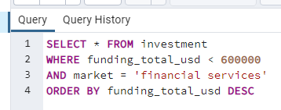

Financial Services vs Averages
 | Series1 | Series2 | Series3 | Series4 | Series5
financial services | 7238.1272727 | 0 | 0 | 0 | 2727.2727273

